Other data
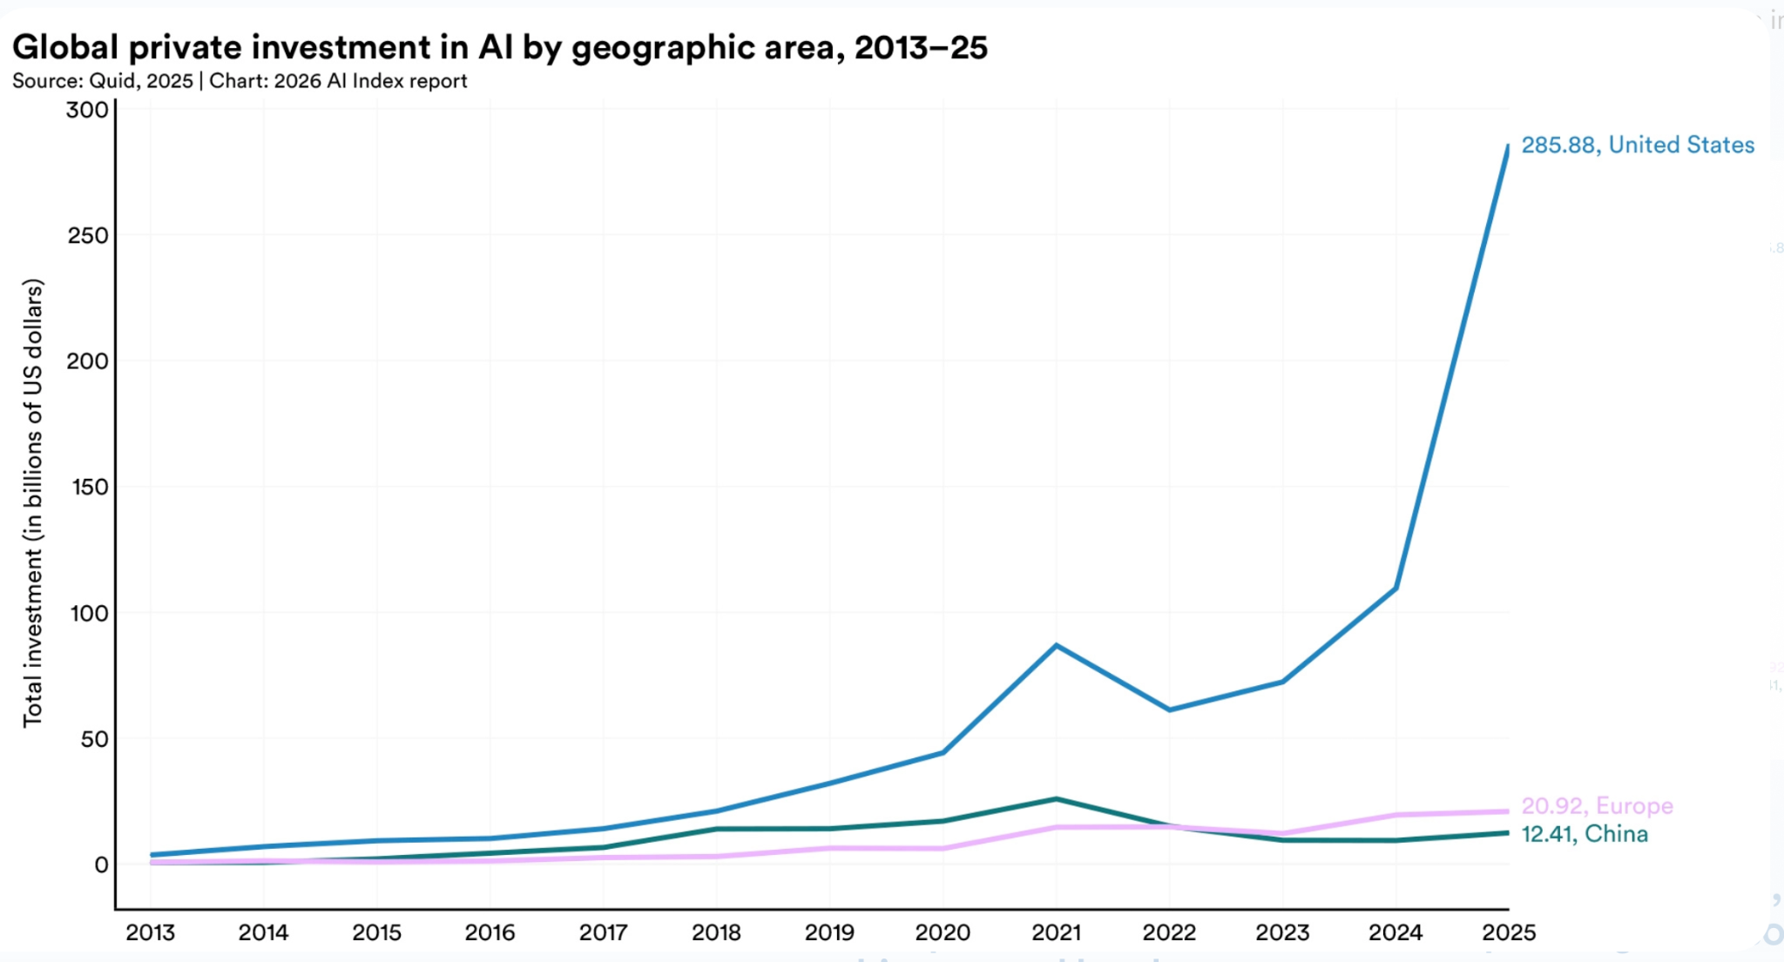
Year | United States | China | Europe
2013 | 3 | 0.5 | 0.2
2014 | 6 | 1 | 0.5
2015 | 8 | 2 | 0.7
2016 | 8.5 | 3.5 | 1.2
2017 | 12 | 6 | 2.5
2018 | 20 | 13 | 3
2019 | 31 | 13 | 6
2020 | 44 | 16 | 5.5
2021 | 87 | 25 | 13.5
2022 | 60 | 15 | 14
2023 | 72 | 9 | 11
2024 | 109 | 9 | 19.5
2025 | 285.88 | 12.41 | 20.92

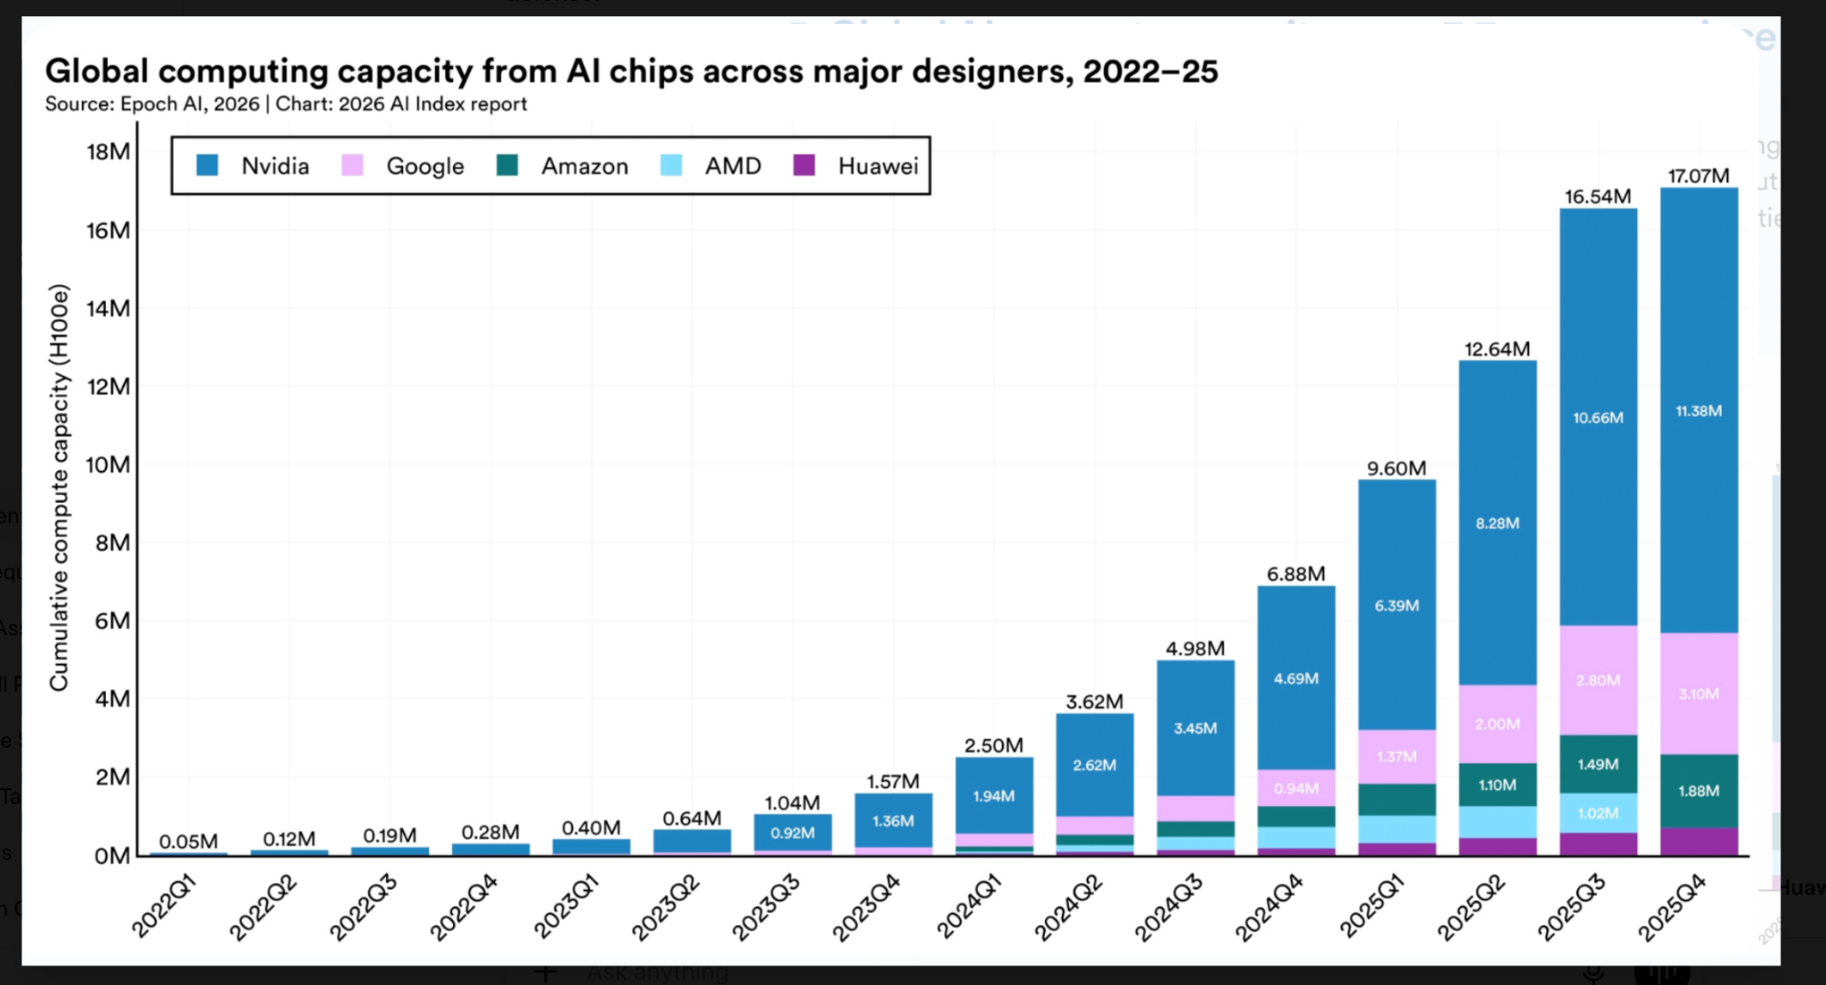
Quarter | Total Capacity (M H100e) | NVIDIA (M) | Google (M) | Amazon (M) | AMD* (M) | Huawei* (M) | Total Capacity (M H100e) ONLY US Companies
2022 Q1 | 0.05 | 0.05 | 0 | 0 | 0 | 0 | 0.05
2022 Q2 | 0.12 | 0.12 | 0 | 0 | 0 | 0 | 0.12
2022 Q3 | 0.19 | 0.19 | 0 | 0 | 0 | 0 | 0.19
2022 Q4 | 0.28 | 0.28 | 0 | 0 | 0 | 0 | 0.28
2023 Q1 | 0.4 | 0.4 | 0 | 0 | 0 | 0 | 0.4
2023 Q2 | 0.64 | 0.64 | 0 | 0 | 0 | 0 | 0.64
2023 Q3 | 1.04 | 0.92 | 0.06* | 0.03* | 0.02* | 0.01 | 1.03
2023 Q4 | 1.57 | 1.36 | 0.12* | 0.05* | 0.03* | 0.01 | 1.56
2024 Q1 | 2.5 | 1.94 | 0.28* | 0.12* | 0.10* | 0.06 | 2.44
2024 Q2 | 3.62 | 2.62 | 0.47* | 0.22* | 0.18* | 0.13 | 3.49
2024 Q3 | 4.98 | 3.45 | 0.63* | 0.43* | 0.27* | 0.2 | 4.78
2024 Q4 | 6.88 | 4.69 | 0.94 | 0.34* | 0.56* | 0.35 | 6.53
2025 Q1 | 9.6 | 6.39 | 1.37 | 0.84* | 0.67* | 0.33 | 9.27
2025 Q2 | 12.64 | 8.28 | 2 | 1.1 | 0.78* | 0.48 | 12.16
2025 Q3 | 16.54 | 10.66 | 2.8 | 1.49 | 1.02 | 0.57 | 15.97
2025 Q4 | 17.07 | 11.38 | 3.1 | 1.88 | 0.01* | 0.7 | 16.37

Year | Renewable_Energy_Share_% (USA)
2016 | 15.3
2017 | 17.4
2018 | 17.9
2019 | 17.8
2020 | 20.6
2021 | 21.4
2022 | 22.5
2023 | 23.4
2024 | 24.3
2025 | 25.8

